Picture
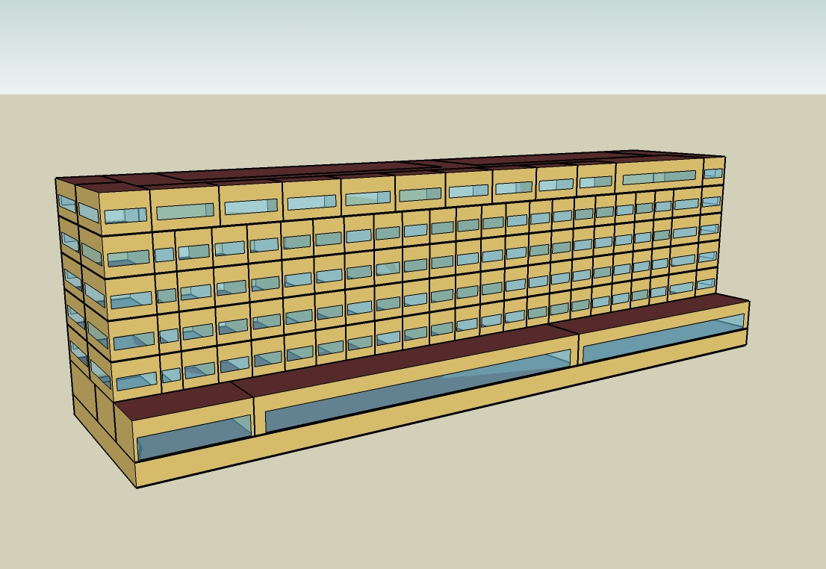
DOE Commercial Building Benchmark - Large Hotel

Electricity
 | Cooling | Interior Lighting | Exterior Lighting | Interior Equipment | Fans | Pumps | Refrigeration
Miami | 1,115,969.44 | 621,566.67 | 51,961.11 | 542,272.22 | 400,158.33 | 39,386.11 | 22,216.67
Houston | 853,597.22 | 621,566.67 | 51,941.67 | 542,272.22 | 384,691.67 | 31,580.56 | 21,461.11
Phoenix | 867,350.00 | 621,566.67 | 51,933.33 | 542,272.22 | 407,450.00 | 28,586.11 | 21,613.89
Atlanta | 551,341.67 | 621,566.67 | 51,925.00 | 542,272.22 | 376,450.00 | 24,416.67 | 20,772.22
Los Angeles | 409,333.33 | 621,566.67 | 51,886.11 | 542,272.22 | 371,625.00 | 19,772.22 | 20,827.78
Las Vegas | 672,227.78 | 621,566.67 | 51,872.22 | 542,272.22 | 400,286.11 | 23,225.00 | 21,094.44
San Francisco | 240,311.11 | 621,566.67 | 51,900.00 | 542,272.22 | 357,005.56 | 16,080.56 | 20,186.11
Baltimore | 437,269.44 | 621,566.67 | 51,869.44 | 542,272.22 | 362,441.67 | 21,319.44 | 20,311.11
Albuquerque | 395,733.33 | 621,566.67 | 51,888.89 | 542,272.22 | 391,133.33 | 20,011.11 | 20,308.33
Seattle | 202,441.67 | 621,566.67 | 51,786.11 | 542,272.22 | 352,763.89 | 15,033.33 | 19,880.56
Chicago | 324,469.44 | 621,566.67 | 51,877.78 | 542,272.22 | 344,619.44 | 18,172.22 | 20,055.56
Boulder | 280,552.78 | 621,566.67 | 51,847.22 | 542,272.22 | 362,208.33 | 16,091.67 | 19,963.89
Minneapolis | 299,644.44 | 621,566.67 | 51,844.44 | 542,272.22 | 343,177.78 | 17,625.00 | 19,919.44
Helena | 215,525.00 | 621,566.67 | 51,830.56 | 542,272.22 | 350,352.78 | 15,136.11 | 19,672.22
Duluth | 177,777.78 | 621,566.67 | 51,802.78 | 542,272.22 | 332,880.56 | 14,447.22 | 19,427.78
Fairbanks | 124,147.22 | 621,566.67 | 51,486.11 | 542,272.22 | 325,541.67 | 13,369.44 | 19,083.33

Gas
 | Heating | Interior Equipment | Water Systems
Miami | 8,120.00 | 1,238,650.00 | 3,733,830.00
Houston | 210,880.00 | 1,238,650.00 | 4,733,830.00
Phoenix | 114,310.00 | 1,238,650.00 | 4,159,440.00
Atlanta | 443,630.00 | 1,238,650.00 | 5,696,980.00
Los Angeles | 44,550.00 | 1,238,650.00 | 5,509,720.00
Las Vegas | 233,460.00 | 1,238,650.00 | 4,851,700.00
San Francisco | 238,770.00 | 1,238,650.00 | 6,333,940.00
Baltimore | 831,940.00 | 1,238,650.00 | 6,454,020.00
Albuquerque | 648,720.00 | 1,238,650.00 | 6,310,520.00
Seattle | 726,150.00 | 1,238,650.00 | 6,847,830.00
Chicago | 1,179,420.00 | 1,238,650.00 | 7,118,510.00
Boulder | 964,080.00 | 1,238,650.00 | 7,083,820.00
Minneapolis | 1,540,980.00 | 1,238,650.00 | 7,692,650.00
Helena | 1,392,770.00 | 1,238,650.00 | 7,796,900.00
Duluth | 1,945,990.00 | 1,238,650.00 | 8,639,670.00
Fairbanks | 3,005,310.00 | 1,238,650.00 | 9,786,050.00

EUI
 | Cooling (elec) | Interior Lighting (elec) | Exterior Lighting (elec) | Interior Equipment (elec) | Fans (elec) | Pumps (elec) | Refrigeration (elec) | Heating (gas) | Interior Equipment (gas) | Water Systems (gas)
Miami | 354.11 | 197.23 | 16.49 | 172.07 | 126.98 | 12.50 | 7.05 | 0.72 | 109.18 | 329.11
Houston | 270.86 | 197.23 | 16.48 | 172.07 | 122.07 | 10.02 | 6.81 | 18.59 | 109.18 | 417.25
Phoenix | 275.22 | 197.23 | 16.48 | 172.07 | 129.29 | 9.07 | 6.86 | 10.08 | 109.18 | 366.62
Atlanta | 174.95 | 197.23 | 16.48 | 172.07 | 119.45 | 7.75 | 6.59 | 39.10 | 109.18 | 502.14
Los Angeles | 129.89 | 197.23 | 16.46 | 172.07 | 117.92 | 6.27 | 6.61 | 3.93 | 109.18 | 485.64
Las Vegas | 213.31 | 197.23 | 16.46 | 172.07 | 127.02 | 7.37 | 6.69 | 20.58 | 109.18 | 427.64
San Francisco | 76.25 | 197.23 | 16.47 | 172.07 | 113.28 | 5.10 | 6.41 | 21.05 | 109.18 | 558.29
Baltimore | 138.75 | 197.23 | 16.46 | 172.07 | 115.01 | 6.76 | 6.44 | 73.33 | 109.18 | 568.87
Albuquerque | 125.57 | 197.23 | 16.46 | 172.07 | 124.11 | 6.35 | 6.44 | 57.18 | 109.18 | 556.22
Seattle | 64.24 | 197.23 | 16.43 | 172.07 | 111.94 | 4.77 | 6.31 | 64.00 | 109.18 | 603.58
Chicago | 102.96 | 197.23 | 16.46 | 172.07 | 109.35 | 5.77 | 6.36 | 103.96 | 109.18 | 627.44
Boulder | 89.02 | 197.23 | 16.45 | 172.07 | 114.93 | 5.11 | 6.33 | 84.98 | 109.18 | 624.38
Minneapolis | 95.08 | 197.23 | 16.45 | 172.07 | 108.89 | 5.59 | 6.32 | 135.83 | 109.18 | 678.05
Helena | 68.39 | 197.23 | 16.45 | 172.07 | 111.17 | 4.80 | 6.24 | 122.76 | 109.18 | 687.24
Duluth | 56.41 | 197.23 | 16.44 | 172.07 | 105.63 | 4.58 | 6.16 | 171.52 | 109.18 | 761.52
Fairbanks | 39.39 | 197.23 | 16.34 | 172.07 | 103.30 | 4.24 | 6.06 | 264.89 | 109.18 | 862.56

Water
 | Total Building | Water for Electricity (m3)
Miami | 44,332.90 | 1,619.33
Houston | 44,332.90 | 4,507.69
Phoenix | 44,332.90 | 83,290.50
Atlanta | 44,332.90 | 15,309.90
Los Angeles | 44,332.90 | 40,391.40
Las Vegas | 44,332.90 | 71,211.80
San Francisco | 44,332.90 | 37,091.30
Baltimore | 44,332.90 | 526.86
Albuquerque | 44,332.90 | 10,471.60
Seattle | 44,332.90 | 21,138.10
Chicago | 44,332.90 | 3,392.43
Boulder | 44,332.90 | 9,799.06
Minneapolis | 44,332.90 | 3,351.56
Helena | 44,332.90 | 131,779.00
Duluth | 44,332.90 | 3,142.47
Fairbanks | 44,332.90 | 2,015.19

Carbon
 | Carbon Equivalent (kg)
Miami | 928,124.04
Houston | 1,035,580.00
Phoenix | 945,855.52
Atlanta | 888,402.33
Los Angeles | 391,343.04
Las Vegas | 989,517.25
San Francisco | 387,742.70
Baltimore | 779,943.95
Albuquerque | 1,089,880.00
Seattle | 309,605.87
Chicago | 1,337,770.00
Boulder | 1,049,000.00
Minneapolis | 928,294.79
Helena | 948,297.10
Duluth | 906,544.23
Fairbanks | 808,014.76

LghtSch
Lighting Schedules
 | WD | Saturday | Sunday
 | 0.2 | 0.2 | 0.3
 | 0.15 | 0.2 | 0.3
 | 0.1 | 0.1 | 0.2
 | 0.1 | 0.1 | 0.2
 | 0.1 | 0.1 | 0.2
 | 0.2 | 0.1 | 0.2
 | 0.4 | 0.3 | 0.3
 | 0.5 | 0.3 | 0.4
 | 0.4 | 0.4 | 0.4
 | 0.4 | 0.4 | 0.3
 | 0.25 | 0.3 | 0.3
 | 0.25 | 0.25 | 0.3
 | 0.25 | 0.25 | 0.3
 | 0.25 | 0.25 | 0.2
 | 0.25 | 0.25 | 0.2
 | 0.25 | 0.25 | 0.2
 | 0.25 | 0.25 | 0.2
 | 0.25 | 0.25 | 0.2
 | 0.6 | 0.6 | 0.5
 | 0.8 | 0.7 | 0.7
 | 0.9 | 0.7 | 0.8
 | 0.8 | 0.7 | 0.6
 | 0.6 | 0.6 | 0.5
 | 0.3 | 0.3 | 0.3

RmLghtSch
Guest Room Lighting Schedules
 | Weekday | Weekend
 | 0.22 | 0.26
 | 0.17 | 0.26
 | 0.11 | 0.11
 | 0.11 | 0.11
 | 0.11 | 0.11
 | 0.22 | 0.11
 | 0.44 | 0.41
 | 0.56 | 0.41
 | 0.44 | 0.56
 | 0.44 | 0.56
 | 0.28 | 0.41
 | 0.28 | 0.33
 | 0.28 | 0.33
 | 0.28 | 0.33
 | 0.28 | 0.33
 | 0.28 | 0.33
 | 0.28 | 0.33
 | 0.28 | 0.33
 | 0.67 | 0.85
 | 0.89 | 1
 | 1 | 1
 | 0.89 | 1
 | 0.67 | 0.85
 | 0.33 | 0.41

EqpSch
Equipment Schedules
 | Weekday | Saturday | Sunday
 | 0.3 | 0.3 | 0.4
 | 0.25 | 0.3 | 0.4
 | 0.2 | 0.2 | 0.3
 | 0.2 | 0.2 | 0.3
 | 0.2 | 0.2 | 0.3
 | 0.3 | 0.2 | 0.3
 | 0.5 | 0.4 | 0.4
 | 0.6 | 0.4 | 0.5
 | 0.5 | 0.5 | 0.5
 | 0.5 | 0.5 | 0.4
 | 0.35 | 0.4 | 0.4
 | 0.35 | 0.35 | 0.4
 | 0.35 | 0.35 | 0.4
 | 0.35 | 0.35 | 0.3
 | 0.35 | 0.35 | 0.3
 | 0.35 | 0.35 | 0.3
 | 0.35 | 0.35 | 0.3
 | 0.35 | 0.35 | 0.3
 | 0.7 | 0.7 | 0.6
 | 0.9 | 0.8 | 0.8
 | 0.95 | 0.8 | 0.9
 | 0.9 | 0.8 | 0.7
 | 0.7 | 0.7 | 0.6
 | 0.4 | 0.4 | 0.4

RmEqpSch
Guest Room Equipment Schedules
 | Weekday | Weekend
 | 0.2 | 0.2
 | 0.2 | 0.2
 | 0.2 | 0.2
 | 0.2 | 0.2
 | 0.2 | 0.2
 | 0.2 | 0.2
 | 0.62 | 0.3
 | 0.9 | 0.62
 | 0.43 | 0.9
 | 0.43 | 0.62
 | 0.26 | 0.29
 | 0.26 | 0.29
 | 0.26 | 0.29
 | 0.26 | 0.29
 | 0.26 | 0.29
 | 0.26 | 0.29
 | 0.26 | 0.29
 | 0.51 | 0.43
 | 0.51 | 0.51
 | 0.49 | 0.49
 | 0.66 | 0.66
 | 0.7 | 0.7
 | 0.35 | 0.35
 | 0.2 | 0.2

OccSch
Occupancy Schedules
 | Weekday | Saturday | Sunday
 | 0.9 | 0.9 | 0.7
 | 0.9 | 0.9 | 0.7
 | 0.9 | 0.9 | 0.7
 | 0.9 | 0.9 | 0.7
 | 0.9 | 0.9 | 0.7
 | 0.9 | 0.9 | 0.7
 | 0.7 | 0.7 | 0.7
 | 0.4 | 0.5 | 0.7
 | 0.4 | 0.5 | 0.5
 | 0.2 | 0.3 | 0.5
 | 0.2 | 0.3 | 0.5
 | 0.2 | 0.3 | 0.3
 | 0.2 | 0.3 | 0.3
 | 0.2 | 0.3 | 0.2
 | 0.2 | 0.3 | 0.2
 | 0.3 | 0.3 | 0.2
 | 0.5 | 0.3 | 0.3
 | 0.5 | 0.5 | 0.4
 | 0.5 | 0.6 | 0.4
 | 0.7 | 0.6 | 0.6
 | 0.7 | 0.6 | 0.6
 | 0.8 | 0.7 | 0.8
 | 0.9 | 0.7 | 0.8
 | 0.9 | 0.7 | 0.8

RmOccSch
Occupancy Schedules
 | Weekday | Weekend
 | 0.65 | 0.65
 | 0.65 | 0.65
 | 0.65 | 0.65
 | 0.65 | 0.65
 | 0.65 | 0.65
 | 0.65 | 0.65
 | 0.5 | 0.5
 | 0.28 | 0.34
 | 0.28 | 0.34
 | 0.13 | 0.2
 | 0.13 | 0.2
 | 0.13 | 0.2
 | 0.13 | 0.2
 | 0.13 | 0.2
 | 0.13 | 0.2
 | 0.2 | 0.2
 | 0.35 | 0.2
 | 0.35 | 0.34
 | 0.35 | 0.35
 | 0.5 | 0.65
 | 0.5 | 0.65
 | 0.58 | 0.5
 | 0.65 | 0.5
 | 0.65 | 0.5

HeatSch
Heating Set Point Schedules
 | All
 | 21
 | 21
 | 21
 | 21
 | 21
 | 21
 | 21
 | 21
 | 21
 | 21
 | 21
 | 21
 | 21
 | 21
 | 21
 | 21
 | 21
 | 21
 | 21
 | 21
 | 21
 | 21
 | 21
 | 21

CoolSch
Cooling Set Point Schedules
 | All
 | 24
 | 24
 | 24
 | 24
 | 24
 | 24
 | 24
 | 24
 | 24
 | 24
 | 24
 | 24
 | 24
 | 24
 | 24
 | 24
 | 24
 | 24
 | 24
 | 24
 | 24
 | 24
 | 24
 | 24

